Calculations
National Grid cumulative additions (2035)
From pixel analysis:
100 GW = 88 pixels
2035 battery additions: 24 pixels
2035 battery additions: |  |  | BAU national | 2019 (GW) | 2035(GW) | 2050 (1.5x)
27 GW |  |  |  | 1.71 | 27 | 40.5

 |  |  | Potential National (x1.5) | 2019 (GW) | 2035(GW) | 2050 (GW)
 |  |  |  | 1.7131821943 | 221.39 | 515.96

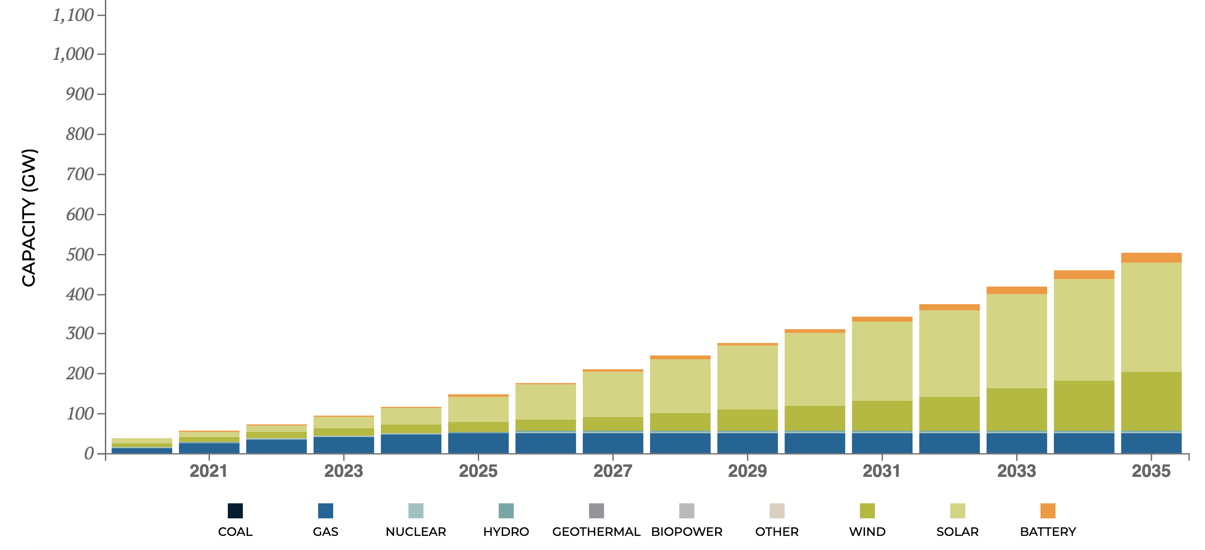

State
KY
 | 2019 | 2035 | 2050
Percent of national |  | 0.018179105521 | 0.018179105521
MW BAU | 0 | 490.83584908 | 736.25377362
MW Potential | 0 | 4024.7555928 | 9379.7608829

 | 2019 | 2020 | 2021 | 2022 | 2023 | 2024 | 2025 | 2026 | 2027 | 2028 | 2029 | 2030 | 2031 | 2032 | 2033 | 2034 | 2035 | 2036 | 2037 | 2038 | 2039 | 2040 | 2041 | 2042 | 2043 | 2044 | 2045 | 2046 | 2047 | 2048 | 2049 | 2050
BAU | 0 | 30.677240567 | 61.354481135 | 92.031721702 | 122.70896227 | 153.38620284 | 184.0634434 | 214.74068397 | 245.41792454 | 276.09516511 | 306.77240567 | 337.44964624 | 368.12688681 | 398.80412738 | 429.48136794 | 460.15860851 | 490.83584908 | 507.19704405 | 523.55823902 | 539.91943399 | 556.28062896 | 572.64182393 | 589.00301889 | 605.36421386 | 621.72540883 | 638.0866038 | 654.44779877 | 670.80899374 | 687.17018871 | 703.53138368 | 719.89257865 | 736.25377362

 | 2019 | 2020 | 2021 | 2022 | 2023 | 2024 | 2025 | 2026 | 2027 | 2028 | 2029 | 2030 | 2031 | 2032 | 2033 | 2034 | 2035 | 2036 | 2037 | 2038 | 2039 | 2040 | 2041 | 2042 | 2043 | 2044 | 2045 | 2046 | 2047 | 2048 | 2049 | 2050
Potential | 0 | 285.55256753 | 571.10513506 | 856.65770259 | 1142.2102701 | 1427.7628377 | 1713.3154052 | 1998.8679727 | 2284.4205402 | 2569.9731078 | 2855.5256753 | 3141.0782428 | 3426.6308104 | 3712.1833779 | 3997.7359454 | 4283.288513 | 4568.8410805 | 4870.8478462 | 5172.854612 | 5474.8613777 | 5776.8681435 | 6078.8749092 | 6380.881675 | 6682.8884407 | 6984.8952065 | 7286.9019722 | 7588.908738 | 7890.9155037 | 8192.9222695 | 8494.9290352 | 8796.9358009 | 9098.9425667

For Webapp:

State | 2050 BAU | 2050 Potential | 2019 SYC
AL | 1083.6473984 | 13805.502726 | 1
AK | 0 | 0 | 0
AZ | 907.65806391 | 11563.425422 | 78.3
AR | 443.26332163 | 5647.1071716 | 0
CA | 2573.9390787 | 32791.591637 | 444.98
CO | 643.47705493 | 8197.7996244 | 1
CT | 82.643363334 | 1052.8638554 | 1.6
DE | 155.21025776 | 1977.3550323 | 0
FL | 1896.6493676 | 24163.023925 | 14
GA | 1556.1825007 | 19825.527923 | 1
HI | 0 | 0 | 0
ID | 1011.1791771 | 12882.268629 | 3.09
IL | 1401.7883313 | 17858.569731 | 112.4
IN | 1686.2356218 | 21482.384868 | 23
IA | 1230.6757026 | 15678.620916 | 0
KS | 194.04156876 | 2472.0600173 | 0
KY | 1330.5983598 | 16951.620342 | 0
LA | 953.59202585 | 12148.617098 | 0.5
ME | 19.415843565 | 247.35488837 | 16.2
MD | 1053.0417571 | 13415.591519 | 13
MA | 395.77121173 | 5042.0649285 | 29.5
MI | 1298.8557713 | 16547.224602 | 1
MN | 456.16536001 | 5811.4771744 | 1
MS | 563.97909217 | 7185.0076932 | 0
MO | 1007.4959003 | 12835.344244 | 2.2
MT | 333.99426846 | 4255.0360849 | 0
NE | 141.94100873 | 1808.3068218 | 0
NV | 380.23377895 | 4844.1204025 | 10
NH | 76.786155272 | 978.24391722 | 0
NJ | 235.48162351 | 3000 | 320.8
NM | 451.64099799 | 5753.8374917 | 3.6
NY | 649.40414423 | 8273.309839 | 254
NC | 2088.897462 | 26612.235352 | 1
ND | 78.985659323 | 1006.2652637 | 0
OH | 2037.8761861 | 25962.232072 | 53
OK | 621.52644475 | 7918.1521957 | 0
OR | 584.20005007 | 7442.6196154 | 30.14
PA | 734.79882317 | 9361.2250359 | 30.4
RI | 93.879027868 | 1196.0045094 | 0
SC | 1357.0293994 | 17288.34776 | 4
SD | 161.32636846 | 2055.2733507 | 0
TN | 504.16433045 | 6422.9767436 | 0
TX | 4414.0832227 | 56234.747624 | 105.2
UT | 123.63174256 | 1575.0495608 | 0
VT | 5.4582916538 | 69.537803916 | 2
VA | 704.49340349 | 8975.1386073 | 0
WA | 807.98096929 | 10293.554426 | 89.78
WV | 143.61119285 | 1829.5847129 | 65.5
WI | 824.57657321 | 10504.979891 | 0
WY | 998.49274509 | 12720.645419 | 0

